Sheet1
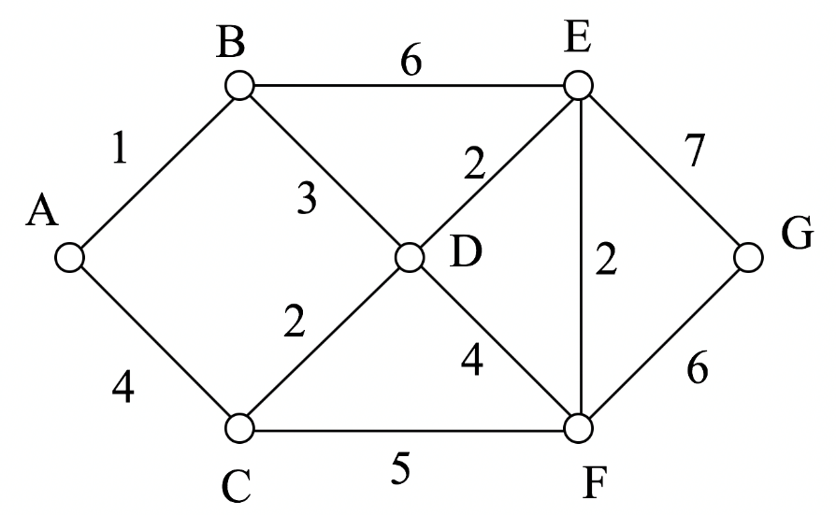
MARK | A | B | C | D | E | F | G
A | 0 | 1A | 4A | ~ | ~ | ~ | ~
B | 0 | 1 | 4A | 3B + 1A 4B | 6B + 1A 7B | ~ | ~
C | 0 | 1 | 4 | MIN(4B, 4A + 2C) 4B | 7B | 5C + 4A 9C | ~
D | 0 | 1 | 4 | 4 | MIN(7B, 4B + 2D) 6D | MIN(9C, 4B + 4D) 8D | ~
E | 0 | 1 | 4 | 4 | 6 | MIN(8D, 2E + 6D) 8E | 6D + 7G 13E
F | 0 | 1 | 4 | 4 | 6 | 8 | MIN(13E, 8E + 6F) 13E
G | 0 | 1 | 4 | 4 | 6 | 8 | 13

Result : | G - E - D - B - A | = | A - B - D - E - G
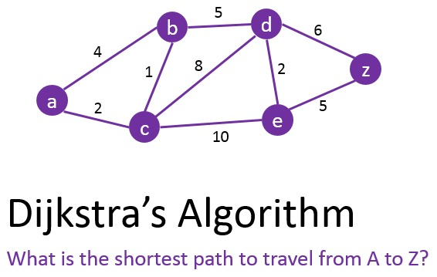

MARK | A | B | C | D | E | Z
A | 0 | 4A | 2A | ~ | ~ | ~
C | 0 | MIN(4A, 2A + 1C) 3C | 2 | 2A + 8C 10C | 2A + 10C 12C | ~
B | 0 | 3 | 2 | MIN(10C, 3C + 5B) 8B | 12C | ~
D | 0 | 3 | 2 | 8 | MIN(12C, 8B + 2D) 10D | 8B + 6D 14D
E | 0 | 3 | 2 | 8 | 10 | MIN(14D, 10D + 5E) 14D
Z | 0 | 3 | 2 | 8 | 10 | 14

Result : | Z - D - B - C - A | = | A - C - B - D - Z

